Summary
Client Service Pipeline Automation

New Onboarded Clients (from Client Intake Pipeline)
DETAILS
1 | Definition for each stages
 | u | Client Onboarding Complete - All Onboarded leads from the Client Intake Pipeline
Workflows
01
 | u | Sitter Assigned - Leads that already have sitters assigned to their apppointment/visit
Stage
Client Onboarding Complete
 | u | Meet & Greet Scheduled -
 | u | Meet & Greet Completed -
 | u | Service Scheduled -
 | u | Active Service -
 | u | Completed & Invoiced -
 | u | Follow-up & Review -
Categorize Client's Stage Based on Visit Status Update in Precise Petcare Account

Workflows
(Zapier) Client Service Pipeline Updates: PP -> GHL
Stages Sitter Assigned Meet & Greet Scheduled Meet & Greet Completed Service Scheduled Active Service Completed & Invoiced

Workflows
02
Follow-up & Review

Stages Follow-up & Review

01 Start Service Fulfillment
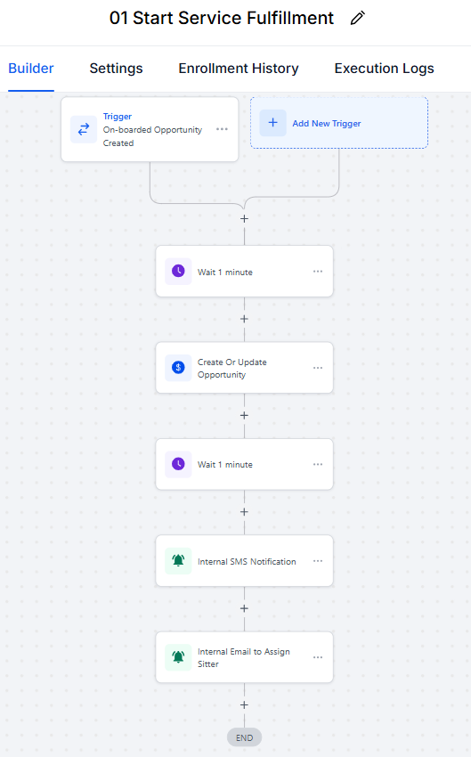
Step | Details
1 | Automation will be triggered upon the creation of an opportunity in the "Onboarded" stage in the Client Intake Pipeline
2 | System will wait for 1 minute before proceeding
3 | Create or Update an Opportunity in the "Client Onboarding Complete" stage on the Client Service Pipeline
4 | System will wait for 1 minute before proceeding
5 | An internal SMS message will be sent to notify the creation of lead in the said pipeline stage
6 | An internal Email message will be sent to prompt the staff to assign a Sitter

02 Follow-up & Review
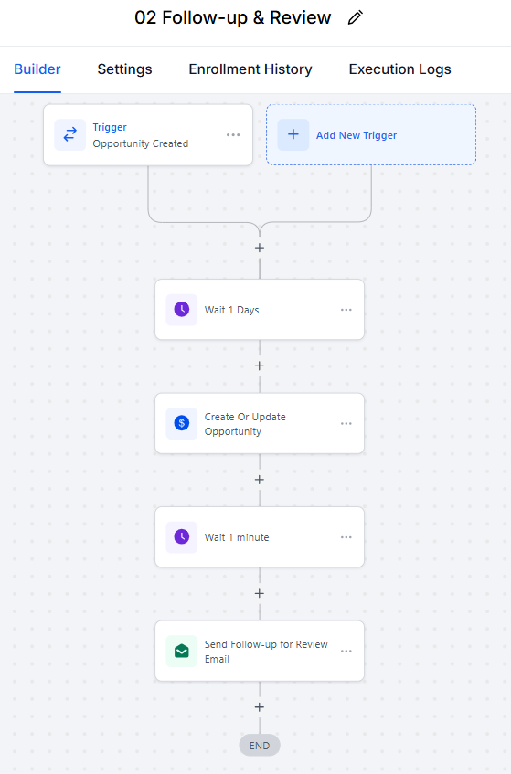
Step | Details
1 | Automation will be triggered upon the creation of an opportunity in the "Completed & Invoiced" stage in the Client Service Pipeline
2 | System will wait for 1 day before proceeding
3 | Create or Update an Opportunity in the "Follow-up & Review" stage on the Client Service Pipeline after 1 day in the "Completed & Reviewed"
4 | System will wait for 1 minute before proceeding
5 | Send a follow-up email to the client with a Googlle Review link

Zapier-Client Service Pipeline
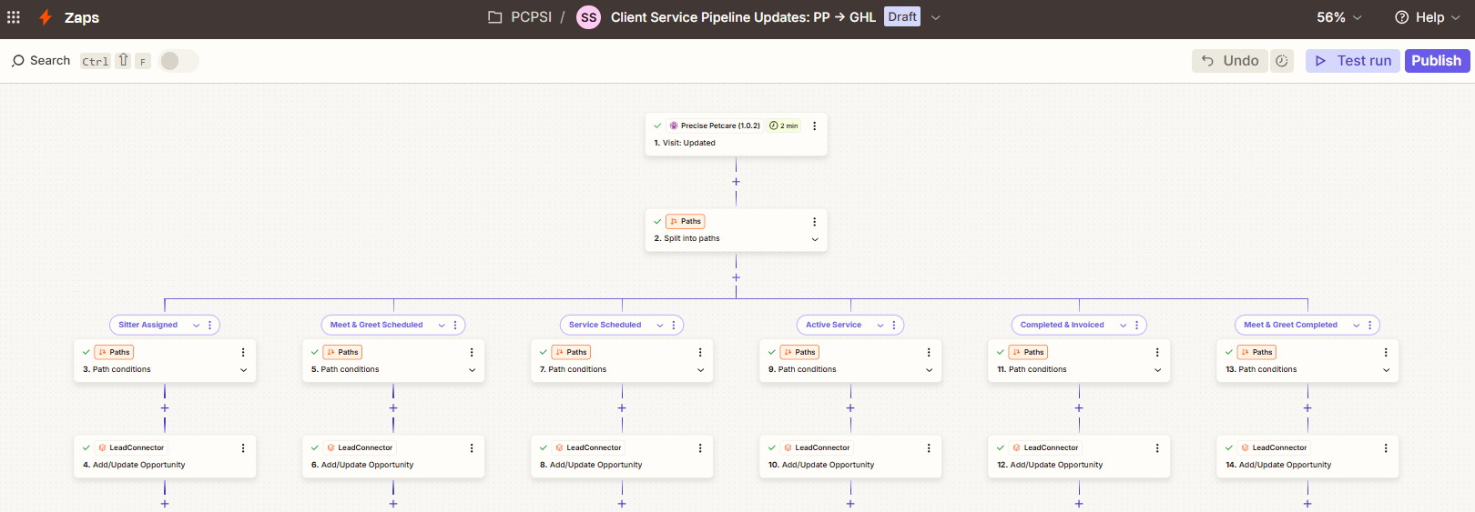

Step | Details
1 | Automation will be triggered upon update of a "Visit" in Precise Petcare account.
3, 5, 7, 9, 11, 13 | Depending on the value of "Status" and "Invoiced" field from the first step's output, it will categorized and proceed to the proper pipeline stage in the Client Service Pipeline
4, 6, 8, 10, 12, 14 | The client's info will be then updated in the said stage in the pipeline

